Sheet1
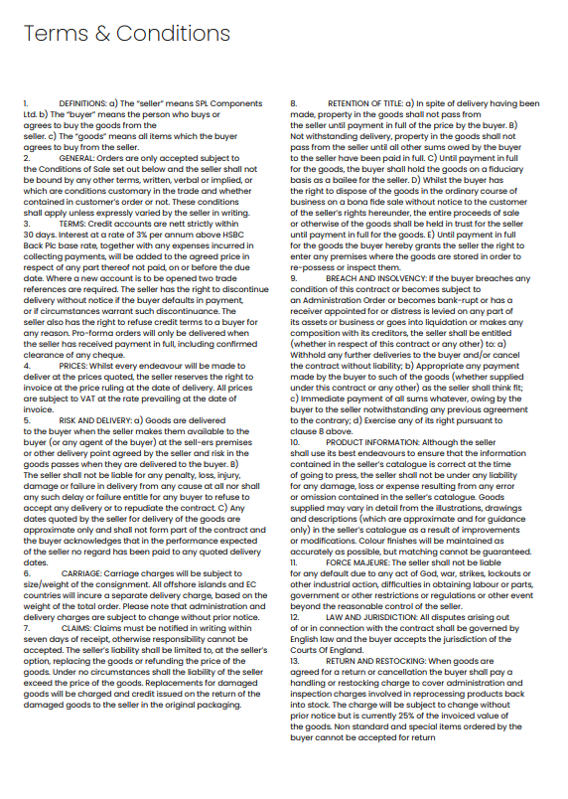
 | SPL Components Ltd
 | 6 Lockwood Park Industrial Estate
 | Leeds, West Yorkshire
 | LS11 5UX

NEW ACCOUNT FORM
Company Name:
Address:

Postcode:
Invoice address (if different):

Postcode:
Company Registration Number:
VAT Number:
Type (delete as appropriate) | Limited | Partnership | Sole Trader
Number of years in business:
Credit limit required:

Contact Information

Telephone Number:

Purchasing Contact
Name:
Telephone:
Email:

Accounts Contact
Name:
Telephone:
Email:

Please attached your company letterhead to this form with the following information:
Name and Address of two trade references, pleaes include telephone number and email contact
*in the case of non-limited companies, names and addresses of partners. Please also provide previous address, if current address lived at for less than 5 years.
PLEASE READ AND SIGN CONDITIONS OF SALE BELOW
I agree to the terms and conditions as set our overleaf
Signed:
On Behalf of (company name):
Print Name:
Position:

*Please return the completed form by email to sales@splcomponentsltd.co.uk

